Table 1
SECTION 1 – GENERAL DETAILS
Project Name: |  |  |  |  | Infrastructure Alliance |  |  |  |  | Inspection Key Use in sections 3, 4 and 5. |  |  | Responsibilities Use in sections 3, 4 and 5.
Project Number: |  |  |  |  | 062 |  |  |  |  | A | Action |  | Role Key |  | Name |  |  | Signature/ Initial
Customer: |  |  |  |  | Hamilton City Council |  |  |  |  | B | Report by Breach |  | FP Foreperson
Contract Number: |  |  |  |  | 550580 |  |  |  |  | C | Check |  | SV Supervisor |  | Conrad Ferreira
Area/ Sub-System: |  |  |  |  |  |  |  | Lot ID Number: |  | D | Dimension Inspection |  | MM Maintenance manager |  | Darrin Williams
 |  |  |  |  |  |  |  |  |  | E | Examine |  | QE Quality engineer |  | Gurjiwan Brar
ITP Number: |  |  |  |  |  |  |  | Version: |  | H | Hold Point |  | OM Operations manager |  | Wayne Bowden
ITP Description: |  |  |  |  | Kerb and Channel Renewals |  |  |  |  | I | Inspection |  | RM Renewals manager
Discipline: |  |  |  |  |  |  |  |  |  | M | Monitor on Random Basis |  | AM Alliance manager
Specification: |  |  |  |  |  |  |  |  |  | O | Operation |  | PM Project manager
Drawings: |  |  |  |  | Refer to relative RITS and SWMS |  |  |  |  | R | Review |  | PE Project engineer
 |  |  |  |  |  |  |  |  |  | S | Subcontractor
 |  |  |  |  |  |  |  |  |  | V | Visual Verification
Prepared By: (Name) |  |  |  |  |  |  |  | Date:
Quality Specified: |  |  |  |  | ISO 9001 |  |  |  |  | W | Witness Point

SECTION 2 – SIGNATURES – CLOSE-OUT & APPROVAL
ITP Close-Out by Downer |  |  |  |  |  |  | Name: |  |  | Signature: |  |  |  |  | Date:
Downer Approval |  |  |  |  |  |  | Name: |  |  | Signature: |  |  |  |  | Date:
Customer Approval |  |  |  |  |  |  | Name: |  |  | Signature: |  |  |  |  | Date:
SECTION 3 - Notifications
Item No. |  | Activity/ Task Description |  |  |  | Inspection Point: Quality Control Activity. |  |  | Acceptance Criteria |  | Verifying Document | Frequency |  | Inspection /Test Key |  | Role key | Authoriser signature & Date
3.1 |  | Site inspection |  |  |  | Site walk over with supervisor and foreperson |  |  | Visual inspection |  | ITP | Once |  | V |  | SV FP
3.2 |  | Service location and permits issued |  |  |  | All services located and marked. Permits issued |  |  | Permits issued and received by qualified staff only |  | Relative permits | As permits expire |  | V |  | FP
3.3 |  | Work pack checklist |  |  |  | Check the work pack checklist |  |  | Copy of work pack with all documents |  | Work pack | Once |  | V |  | FP
SECTION 4 - Construction
4.1 |  | Environmental controls |  |  |  | Apply environmental controls to site. |  |  | Consider drainage, noise, dust, weather. |  | Work pack | Once |  | V |  | FP
4.2 |  | Saw cutting |  |  |  | Kerb and channel cut twice, vertically and at a right angle to the kerb. |  |  | Existing sealed surface cut parallel to kerb and at a distance of 500mm |  | Refer to DN- ZH-SWMS026 | Once |  | V |  | FP
4.3 |  | Excavation |  |  |  | Remove existing kerb. Pot hole. Excavation no deeper than 300mm |  |  | Visual subgrade inspection |  | Refer to RITS D3.3.6 | Once |  | V |  | FP
4.4 |  | Preparing subgrade if inspection fails |  |  |  | Subgrade further compacted or excavate the unsuitable material and replace |  |  | Visual inspection |  | Refer to RITS D3.3.6 | Once |  | V |  | FP
4.5 |  | Pavement Material |  |  |  | Compacted layer of GAP40 75mm deep shall be placed over subgrade. |  |  | Clegg test every 10m shall not be less than 12 CIV after 4 blows. |  | Refer to RITS D3.3.6 | Every 10m, surface of GAP40 |  | H |  | SV QE
4.6 |  |  | Concrete Works |  |  | Damp the prepared surface and check the weather conditions, Use concrete from certified plant |  |  | Machine not be used to pour curves less than 5m radii. |  | Refer to DN- ZH- SWMS026 | Throughout the activity. |  | V |  | FP
4.7 |  |  | Contraction/ Expansion joints |  |  | Maximum spacing of 3m and minimum 50mm deep |  |  | Concrete paths provide smooth and even surface after finishing. |  | Refer to DN- ZH- SWMS026 | Throughout the activity |  | V |  | FP
4.8 |  |  | Curing of concrete |  |  | Curing period shall not be less than 1 day OR 36 hours? |  |  | Visual inspection |  | Refer to DN- ZH- SWMS026 | Throughout the activity |  | V |  | FP
4.9 |  |  | Backfilling |  |  | GAP40 compacted 40mm below lip of kerb. Pit sand behind kerb in berm 100mm below top of kerb. |  |  | Clegg test shall not be less than 40 CIV. |  | Refer to RITS 3.4.6.7 | Every 10m, surface of GAP40 |  | H |  | SV FP
4.10 |  |  | Joining the carriageway |  |  | The carriageway to be married into the existing carriageway and new kerb lip. |  |  | concrete must have reached sufficient strength before applying any AC or Chip seal layer |  | Refer to RITS 3.4.6.7 | Once |  | V |  | FP
4.11 |  |  | Site reinstatement |  |  | Berms reinstated with top soil and grass seeded. |  |  | Minimum of 100mm of topsoil and grass seed applied. |  | Refer to RITS 2.2.4.6 | Once |  | V |  | FP
SECTION 5 – Post Construction Audit
5.1 |  |  | Post Completion Audit |  |  | Have kerb adaptors been installed? Any visual crack observed? Photos taken? As-built updated? |  |  | Refer to RITS |  | Post completion Report | After the completion of job |  | W |  | SV

COMMENTS

 | 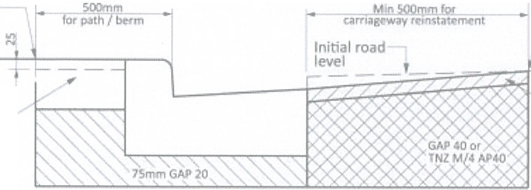 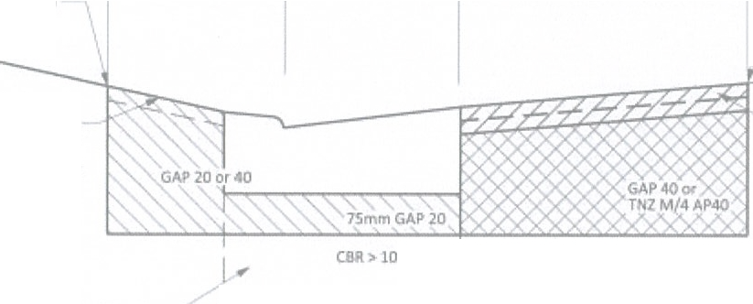 S,aw Cut (e.cept pau YCIIC and P l1iblodi:s) Sa.,,Cucaoo a,,ertland Rt>Mtate lootpHh/betm 30-SOmm Nert: Reinstate seal A$phalt ,umce to m;i[th ..r,.cen1- surface CIIR> 10 STANDARD KE.RB D C!:tANNE_L saw cut )11_ amaMgekwLSaOvOmmJ« (=ept uas.1Yefle for h/bcum refnstatement andpavll\& bloc:u) _rsawcutancl cwerbancl Reinstate vehkle aos.sln1 ·30-somm to standard trou ses:llon. As lt NOlt:I\Qinstate Mlaltd su.mce to m.rtch ad/ 1 sutface I c.omrnerdal or loo11nt111 I I Crossin1 Ref D3.J 2 I _J RESIDENTIALCROSSINGS

 | W••hto loc,1A thcnty SHAREO SERVICES CROSS SECTION DETAILS ASSOCIATED KERB AND CHANNEL REINSTATEMENT D3.3.6 WITHIN EXISTING PAVEMENT RLGIOl!U.L INf'AASTl\'UCTUR:ETKkNICAl SPECIFICAJION : AUGUSTW16
Drawing 3-18: Cross section details associated kerb and channel reinstatement within existng pavement
Note: extended exposure of the subgrade to wet weather causes degradation of the subgrade's performance, the entire surface of the subgrade should be protected to ensure it is smooth, compacted, firm and uniform. 3.4.6.5 Kerb and Channel Foundation After the subgrade has been approved, a compacted layer of GAP40 75mm deep shall be placed. Compaction shall be to refusal. The surface of the GAP40 shall be smooth and uniform, suitable for the placing of the kerb and channel concrete. 3.4.6.6 Kerb and Channel Placing Refer Clause 3.3.14.2 for details on concrete placement. 3.4.6.7 Joining to Carriageway After the kerb and channel concrete has reached sufficient strength, the carriageway shall be married into the existing carriageway (with banding) and new kerb and channel lip. If not already achieved during the kerb base construction, the carriageway shall be excavated to the existing subgrade and at least 200mm deep at the channel face. The excavation base shall be flat and level up to the edge of the saw cut seal. All excavated faces shall be vertical. The subgrade shall be compacted to a CBR of at least 10. The basecourse metal (NZTA M/4 or GAP40) shall be placed on the prepared subgrade in layers not exceeding 150mm and compacted to refusal. The depth of basecourse is dependent on the surfacing, either asphalt or chip seal, but not less than 200mm (i.e. 25mm of asphalt surfacing). 3.4.6.8 Kerb and Channel in New Pavement In accordance with clause 3.4.5.6, except all references to carriageway protection and reinstatement shall not be required for this activity. 3.4.6.9 Catchpits
 |  |  |  | Refer to Stormwater Section for details; the details also show a list of the permitted precast components.
The construction specification described in Stormwater Section. Catchpits shall be accurately positioned so that the grate and kerb block fit neatly into the kerb and channel. Rectangular pits shall be oriented with the longer side parallel to the kerb. Grates are to be cycle friendly. 3.4.6.10 Subgrade Drainage
Refer to Drawing 03.4.1 for details. NZTA specifications F/2 : Pipe Subsoil Drain Construction and F/5 : Corrugated Plastic Pipe Subsoil Drain Construction shall apply. Where subsoil drains are required, as shown on the Drawing or directed by Council, they shall be placed behind the kerb unless shown or directed to be in front of the kerb. The subsoil drains shall consist of an approved filter drainpipe, 100mm to 150mm diameter, or equivalent, in a trench backfilled with an approved filter material around the conduit. The conduit shall have a grade not less than 1:200 to discharge into the catchpit.
2.2.4.3 End Product Specification Where an end product specification is required, the desired compaction criteria of the placed and compacted fill are specified and the earthworks contractor is free to choose whatever method of compaction they wish to achieve the targets specified. 2.2.4.4 Frequency of Tests During the earthworks, soil tests need to be undertaken on the placed fill to ensure the necessary degree of compaction is being achieved. The methods of testing and frequency of tests shall be specified and included in the Fill Design Report. 2.2.4.5 Cuttings and Embankments For cuttings and embankments formed as part of the earthworks, details of analytical methods used to determine slope stability are to be included. As part of this, the engineering properties and relevant ground investigation information is required. As these earthwork features can affect the groundwater and surface run off, or need drainage measures to ensure stability, details of the drainage must be included. If embankments form part of the proposed site works, settlement calculations must be included and justified from ground investigation data. Details of any special measures to analyse slope or control settlements shall be included. 2.2.4.6 Topsoil Top soiled surfaces shall be between 150-300mm consolidated depth, and shall consist of the outermost layer of natural soil with the highest concentration of organic matter and microorganisms, and generally be free of vegetation, large clumps, excessive and large stones, and be suitable for easy spreading in an even layer. This topsoiling should endeavour to mimic the pre-existing conditions. 2.3 CONSTRUCTION AND FINAL DOCUMENTATION 2.3.1 Construction During construction, site inspection and or testing shall be undertaken by a suitability qualified geo-professional with the requirements outlined in the geotechnical asses

